Sheet1
 |  | Total Quantity | photos | Function
10043156098733 | 1-VH60 V BLY 619 JFF | 308 | 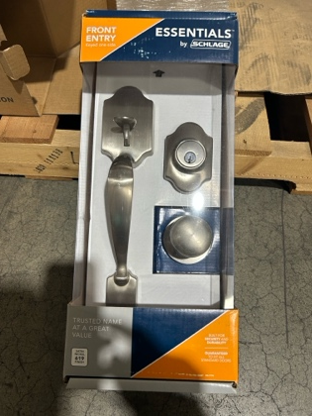

10194555083568 | 4-P40 GC PRE 716 | 696

10194555084015 | 4-P10 GC HWK 609 | 4064 | 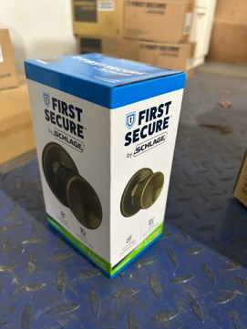

10194555084039 | 4-P40 GC HWK 609 16-254 | 1648

10194555084077 | 4-PD60 GC 609 16-068 | 652 | 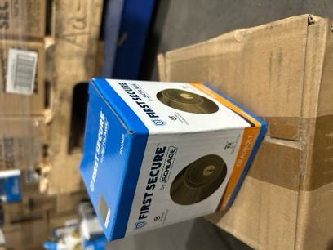

10194555084152 | 4-PC60 GC HWK 609 | 2912 | 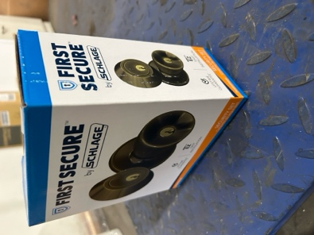

10194555084176 | 2-PCT60 GC HWK 609 | 316 | 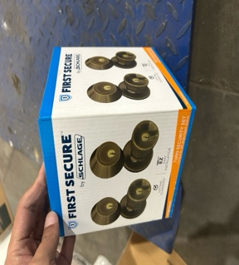

20043156099379 | 4-V40 V JFF 605 16-254 | 644

20043156756852 | 4-J10 V DOV 605 16-254 | 140 | 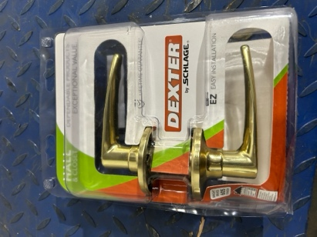

20043156818314 | 4-J54 V TOR 619 16-255 | 232 | 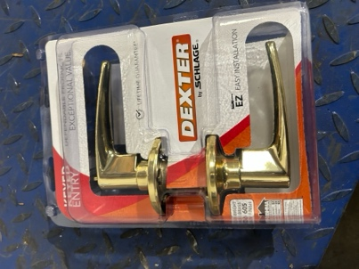
 |  | 11612

